Sheet1
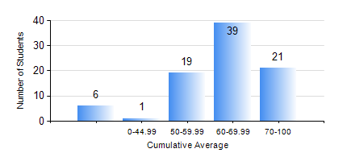
 |  |  | KWAME NKRUMAH UNIVERSITY OF SCIENCE AND TECHNOLOGY, KUMASI Department of Computer Engineering

 |  |  | BSC. BIOMEDICAL ENG.

 |  |  | COMPREHENSIVE RECORD OF EXAMINATION RESULTS

 |  |  | RESULTS OF YEAR 3 SECOND SEMESTER, 2024/2025 ACADEMIC YEAR

 | Sn | Course Code |  | Course Name | Credit Hours | Min. Mark | Max. Mark | Avg. Mark | Std. Dev. | No. Passed | No. Trailed | No. (Df) | No. (I) | No. (I*) | No. Tagged(I,I*,Df) | Total
 | 0. |  |  |  |  |  |  | 0 | 0 | 0 | 0 | 0 | 0 | 0 | 0 | 1
 | 1. | BME 362 |  | BIOMATERIALS I | 3 | 40 | 89 | 68 | 11.53 | 85 | 0 | 0 | 0 | 0 | 0 | 85
 | 2. | BME 364 |  | MEDICAL IMAGING I | 3 | 50 | 78 | 60 | 8.11 | 85 | 0 | 0 | 0 | 0 | 0 | 85
 | 3. | BME 366 |  | BIOSIGNAL PROCESSES AND ANALYSIS | 3 | 40 | 94 | 74 | 11.38 | 85 | 0 | 0 | 0 | 0 | 0 | 85
 | 4. | BME 372 |  | BIOINSTRUMENTATION I | 3 | 44 | 92 | 66 | 9.24 | 85 | 0 | 0 | 0 | 0 | 0 | 85
 | 5. | BME 374 |  | BIOMEDICAL OPTICS | 3 | 24 | 92 | 75 | 11.05 | 84 | 1 | 0 | 0 | 0 | 0 | 85
 | 6. | COE 358 |  | EMBEDDED SYSTEMS | 3 | 27 | 78 | 57 | 10.56 | 81 | 4 | 0 | 0 | 0 | 0 | 85

